Results
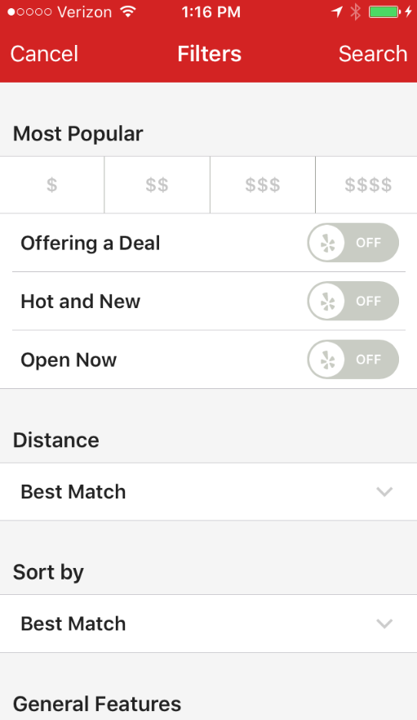
 |  |  |  |  |  |  | Home Screen
12:47 PM
Verizon

12:47 PM
Verizon
Wat's On
Family
Full Bar
Fine Dining
Filter
Food or Alcohol:
Both
Search
 |  |  |  |  |  |  |  |  | Separate the filters between restaurant and cuisine using a tabbed layout

Food
Drink
Shows
Community
Fast Food
Family
Full Bar
Fine Dining
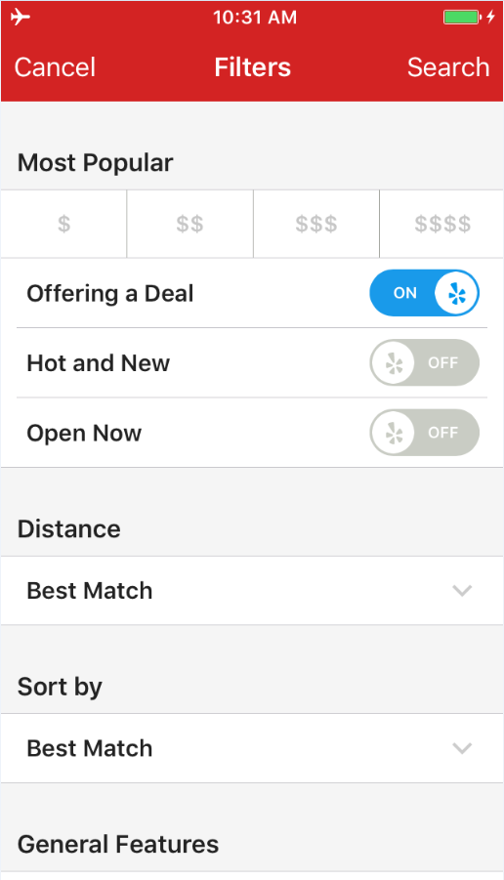
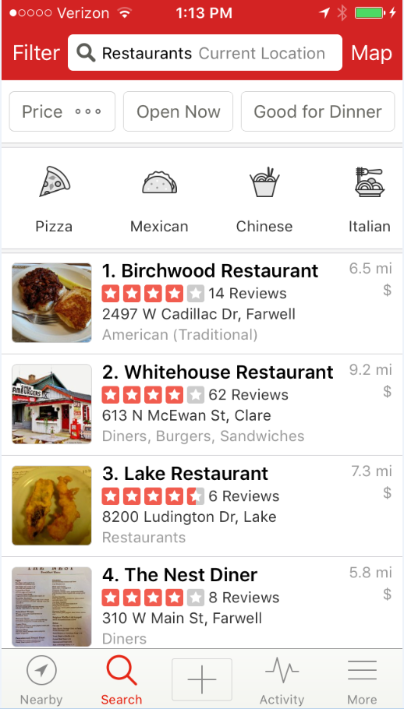
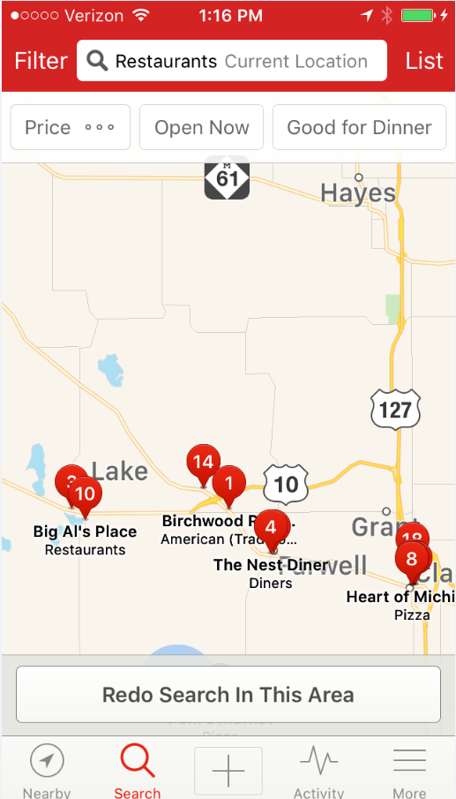
 |  |  |  |  |  |  |  | This should be check boxes
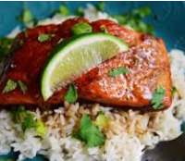
1.
$14.95
Paul's Chop House
Orange Glazed Pork Chops...
0.8 mi

Time:
Now
Cuisine:
All
Time
Now
Sort by:
Distance
Wifi:
Yes
 |  |  |  |  |  |  |  |  | Should we split between restaurant and special cuisine filters
ROWS
x5 |  |  |  | 2500
Food or Drink
Both
Sizing | Absolute | % | Row start # | pixels | pixels2 | ratio
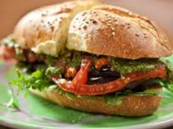
2.
$8.95
Lenny's Hip Hop House
Deluxe Burger on Brioch...
1.2 mi
Total Height | 9.33 | 100.0%
Alcohol:
n/a
Outdoors:
n/a
Food or Drink
Both
Status Bar | 0.34 | 3.6% | 1 | 91 | 20 | 0.21952941176
Cuisine
All
Title/Filter | 0.76 | 8.1% | 2 | 204 | 46 | 0.22588421053 |  |  | Is Alcohol redundant?
Tabs | 0.58 | 6.2% | 3 | 155 | 34 | 0.22
Current Map Area
Search Area:
Edge | 0.19 | 2.0% | 4 | 51 | 11 | 0.22
Alcohol
With & Without
Border | 0.07 | 0.8% | 5 | 19 | 4 | 0.22
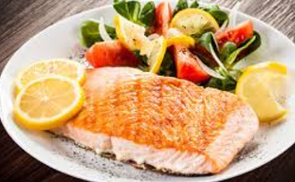
3.
$12.95
Hadley's Restaurant
Fresh Cod and Garden Vege...
2.6 mi
Food/Drink/… | 0.4 | 4.3% | 6 | 107 | 24 | 0.22
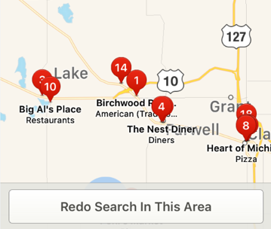
Price/Distance | 0.4 | 4.3% | 7 | 107 | 24 | 0.22
Outdoor Seating
With & Without
Establishment Name | 0.4 | 4.3% | 8 | 107 | 24 | 0.22
Border | 0.07 | 0.8% | 9 | 19 | 4 | 0.22 |  |  | Leave the map area off the front page and only on the map area search
 |  |  | 10 |  |  |  |  |  |  | On the tabbed layot page have the address / # of miles to search (then have a "map" option)
Location
Current
Totals | 9.33 | 100.0%
 |  |  |  |  |  |  |  |  | For return users, have a standard list
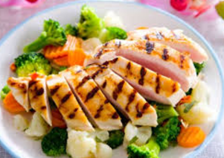
4.
$7.95
Friar Tuck's
Grilled Chicken and Vegetable...
3.5 mi
COLUMNS |  |  |  | 303
Distance
Map
Total Width | 5.27 |  | Col start #
Results Grid - width: | 5.27 | 100% |  |  |  |  |  |  | App "bar" with app name always at top -
Edge | 0.11 | 2.1% | 1 | 6
Sort By
Distance
Border | 0.07 | 1.3% | 2 | 4 |  |  |  |  |  | Web app
Picture Width | 1.67 | 31.7% | 3 | 96
Gap | 0.07 | 1.3% | 4 | 4 |  |  |  |  |  | HTML / CSS
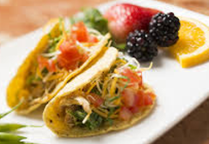
5.
$5.95
Los Gringos
Beef Street Tacos...
4.2 mi
WiFi
With & Without
Result # | 0.35 | 6.6% | 5 | 20
Result | 2.82 | 53.5% | 6 | 162
Border | 0.07 | 1.3% | 7 | 4
Restaurant Filter
Sort by: Distance
Edge | 0.11 | 2.1% | 8 | 6
Sort by:
 |  |  | 9

When: Now
Search Area: Current
6.
$5.95
Los Gringos
Next Result...
4.2 mi
Specific restaurant or keyword

Home
Home Screen

12:47 PM
Verizon
12:47 PM
Verizon
Family
Full Bar
Fine Dining
Restaurant Filter
Specials Filter
Food or Alcohol:
Both
Search
 |  | Separate the filters between restaurant and cuisine using a tabbed layout

Location: Current
within 5 miles
When: 5:00 PM
Tues, April 17
Fast Food
Family
Full Bar
Fine Dining
 | This should be check boxes

Time:
Now
Cuisine:
All
Price: $$
Food or Alcohol?
Both
Time
Now
 |  | Should we split between restaurant and special cuisine filters

Sort by:
Distance
Wifi:
Yes
Cuisine: All
Food or Drink
Both

Alcohol:
n/a
Outdoors:
n/a
Food or Drink
Both
Wifi: n/a
Cuisine: All
Cuisine
All
 |  | Is Alcohol redundant?

Current Map Area
Outdoor?: n/a
Sort by: Distance
Search Area:
Alcohol
With & Without

Key Word Search:
Enter keyword
Key Word Search:
Enter keyword
Outdoor Seating
With & Without
 |  | Leave the map area off the front page and only on the map area search
 |  |  | On the tabbed layot page have the address / # of miles to search (then have a "map" option)
Location
Current
 |  | For return users, have a standard list

Type:
Fast Food
Family
Full Bar
Fine Dining
Distance
Map
 |  | App "bar" with app name always at top -

Sort By
Distance
 |  |  | Web app

 |  |  | HTML / CSS
WiFi
With & Without

Sort by:

SEARCH

Specific restaurant or keyword

Food or Drink
Food or Drink:
Both
Search
Search kicks off the overall search for Specials

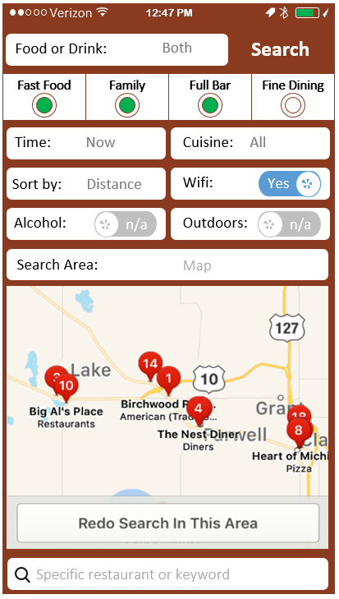

Food & Drink Specials

Food Specials Only

Drink Specials Only

>

Time
Time

Select Time

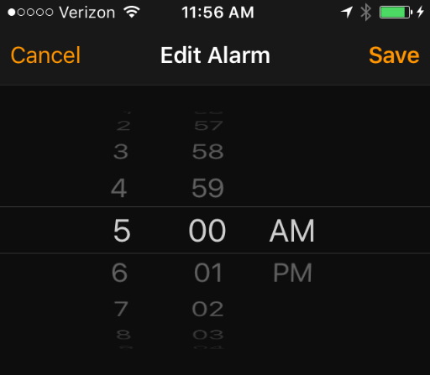

 | Date

Cuisine
American

Chinese

Thai

Pizza

Mexican

Vegetarian

Check boxes
Return to home page ("Done" button and "Cancel" button at top)
Vietnamese

Sushi

 | Ethnic:
 | Mexican
 | Chinese
 | American
 | Thai
 | French
 | Greek
 | Vietnamese
 | South Korea
 | Lebanese
 | Cajun
 | Caribbean
 | Vegetarian
 | Belgian
 | German
 | Mediterranean
 | Moroccan
 | Portuguese
 | Soul
 | Tex-Mex
 | Seafood
 | Turkish
 | Southern American
 | Mongolian
 | Welsh
 | Taiwanese
 | Brazilian
 | Irish
 | Cuban
 | Polish
 | Peruvian
 | Ethiopian
 | Jamaican
 | Malaysian
 | South African
 | Junk
 | Middle Eastern
 | Midwestern
 | Argentinian
 | Singaporean
 | Saudi Arabia
 | Senegalese
 | Macau
 | Balkan
 | Israeli
 | Northern Irish
 | Dutch
 | Papua New Guinean
 | Burmese
 | Somali
 | Seoul
 | South Sudan
 | Vatican City
 | Jordanian
 | Suriname
 | French Guiana
 | Breton

Symbols
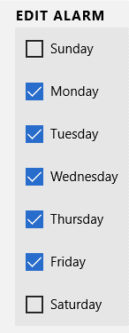
Symbols
 | Standard Layout
12:47 PM
Verizon
Top Upper

Text Box
Top Lower

Examples
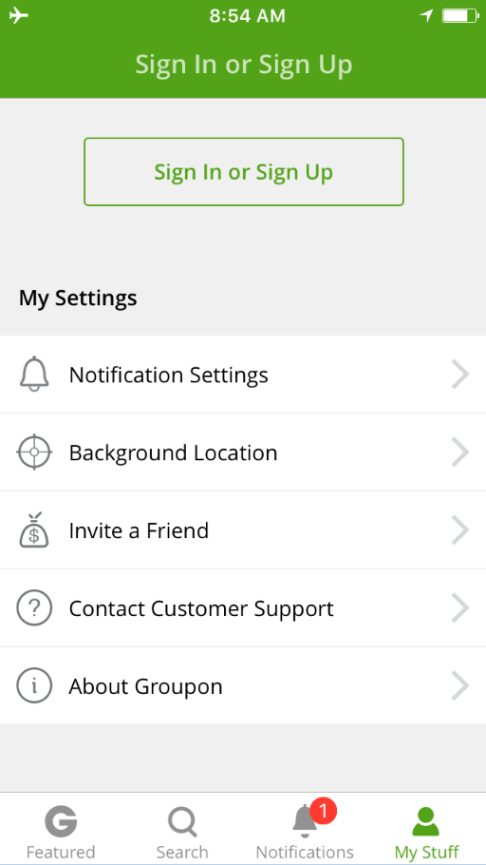
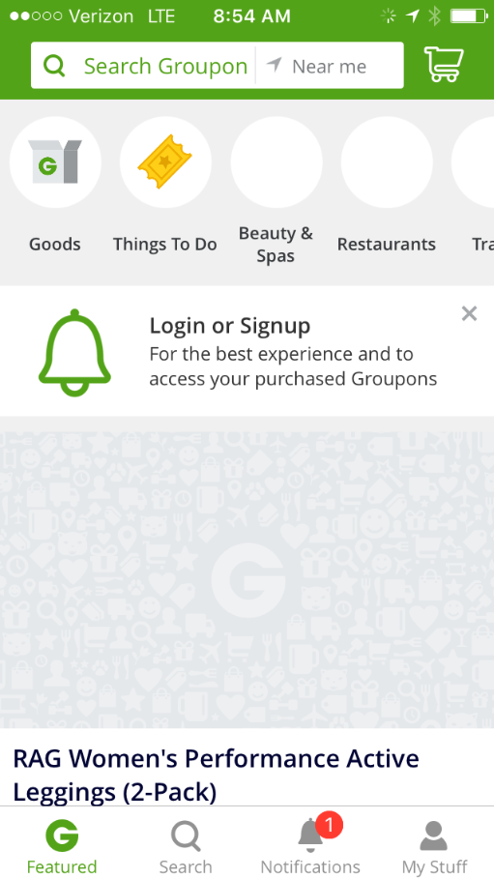
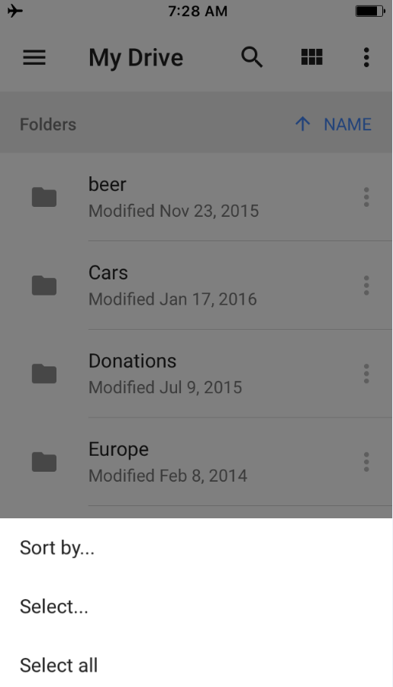
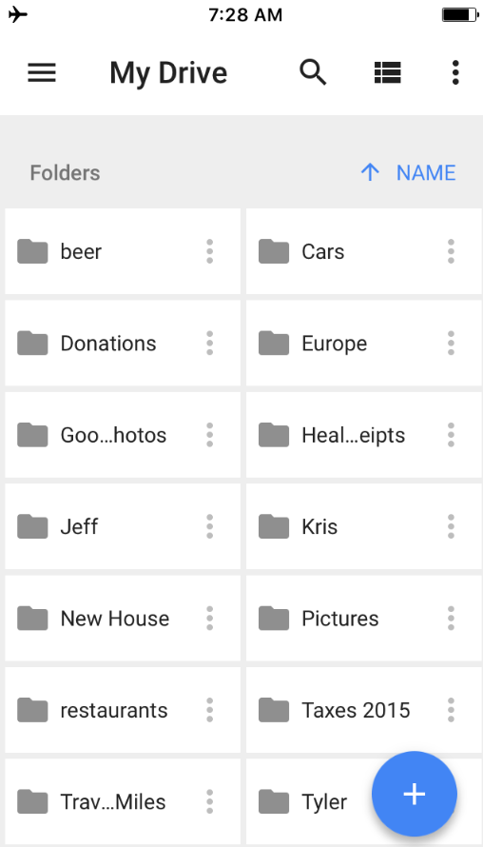
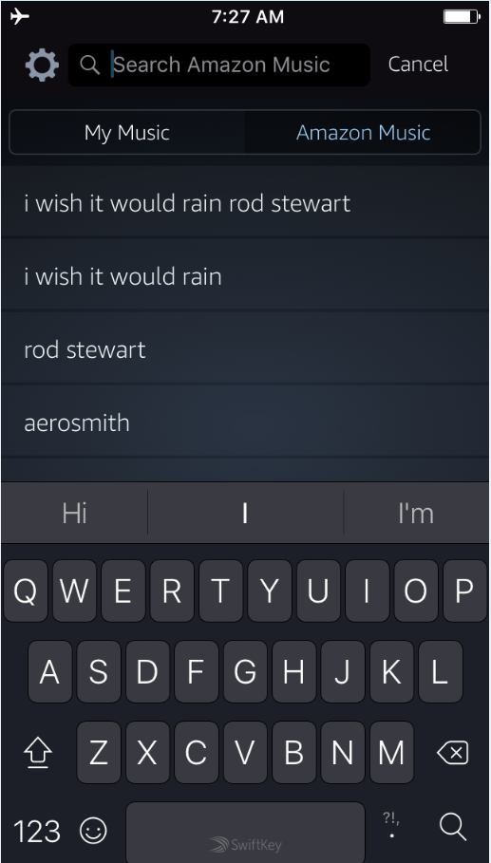
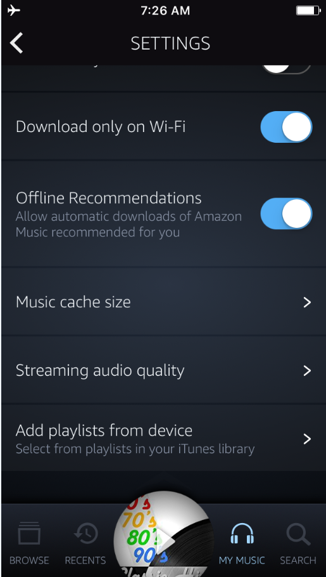
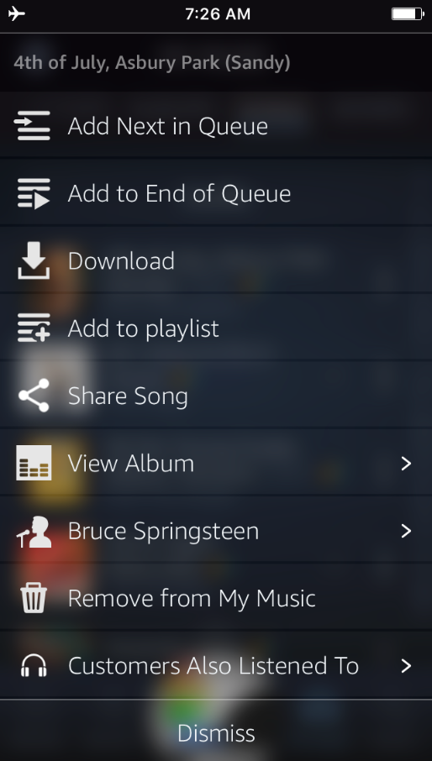
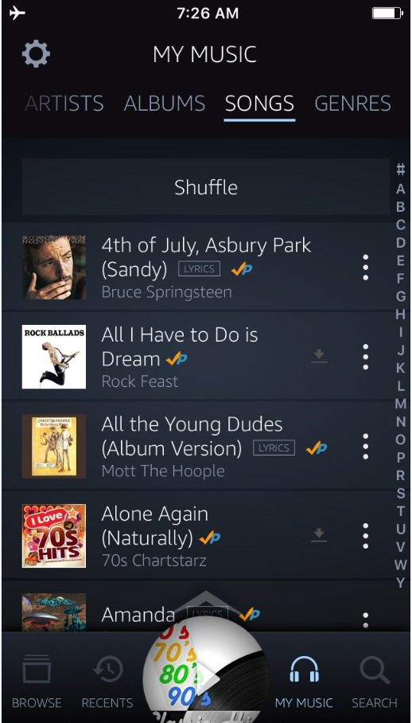
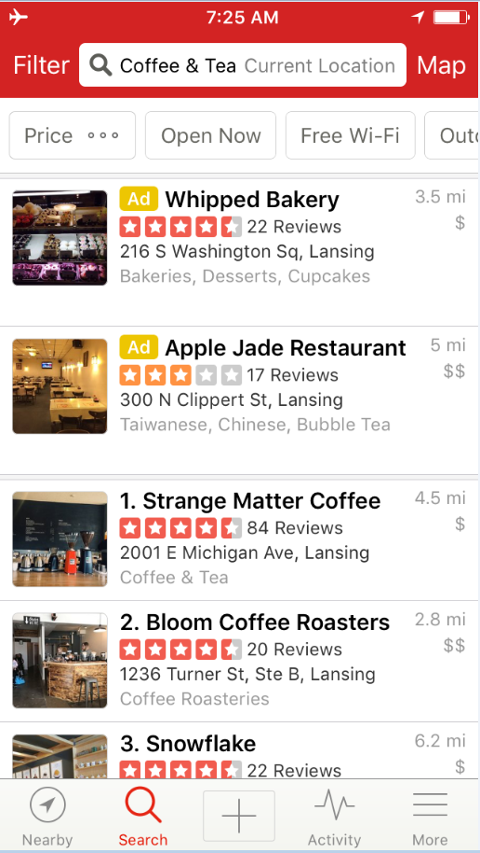
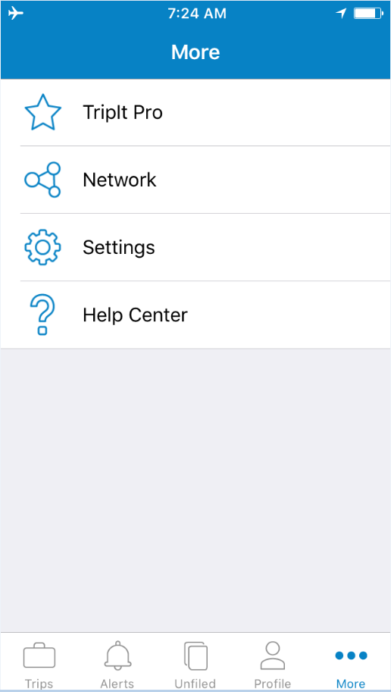
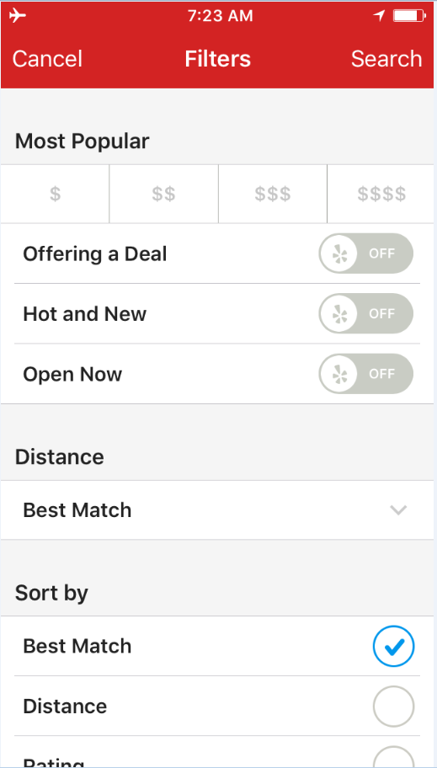
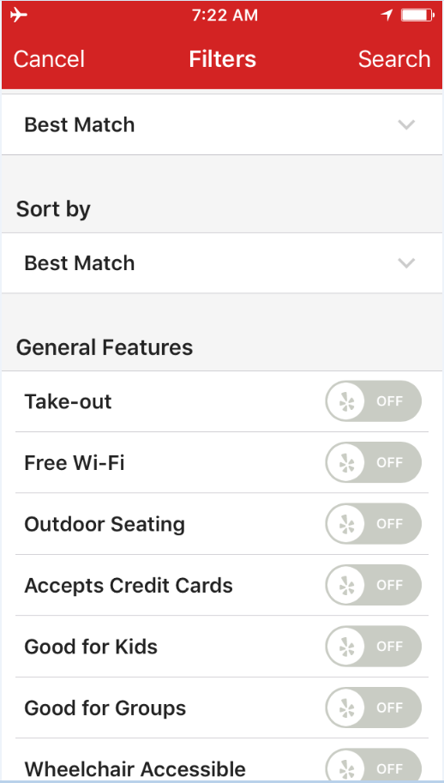
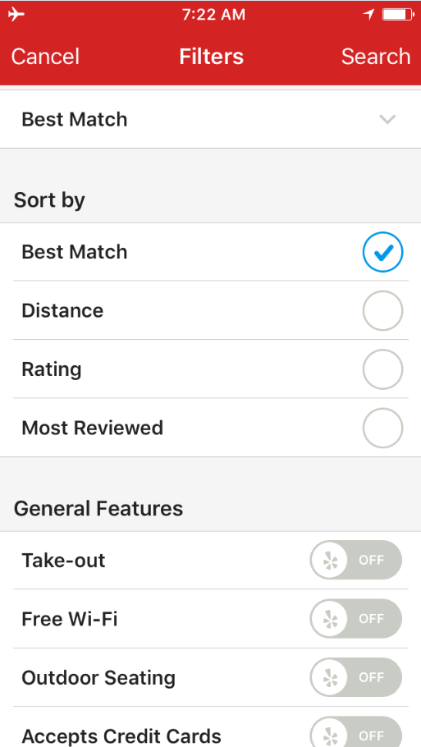
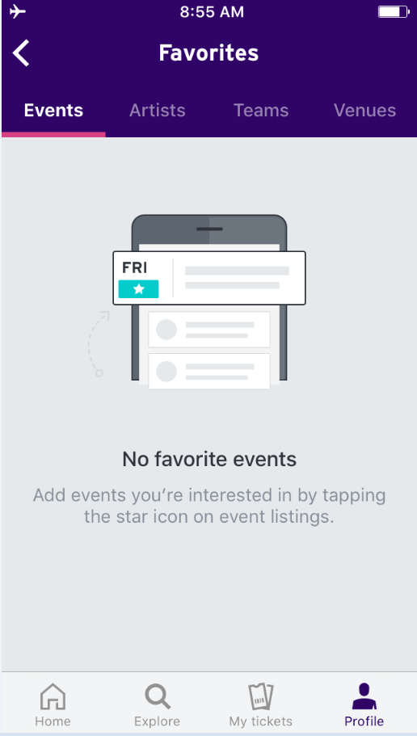
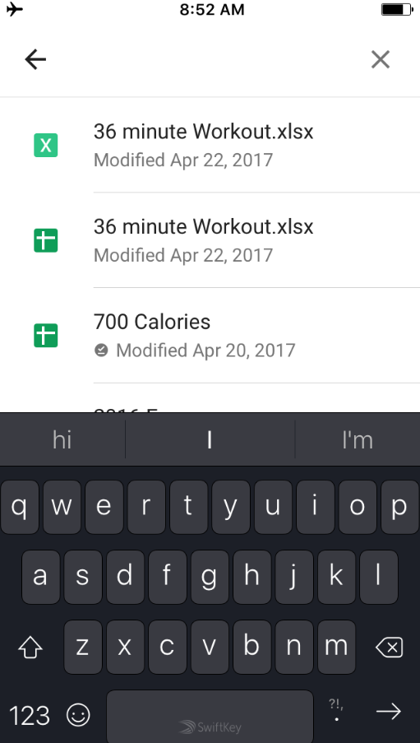
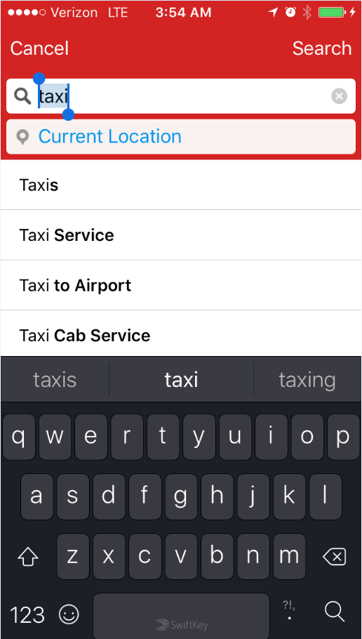
Search

